TEDB Edition 40
The gasoline and diesel used in highway modes accounted for the majority of transportation energy use (82.3%) and nearly all highway use in 2018.

Figure 2.6. Domestic Consumption of Transportation Energy by Mode and Fuel Type, 2018a

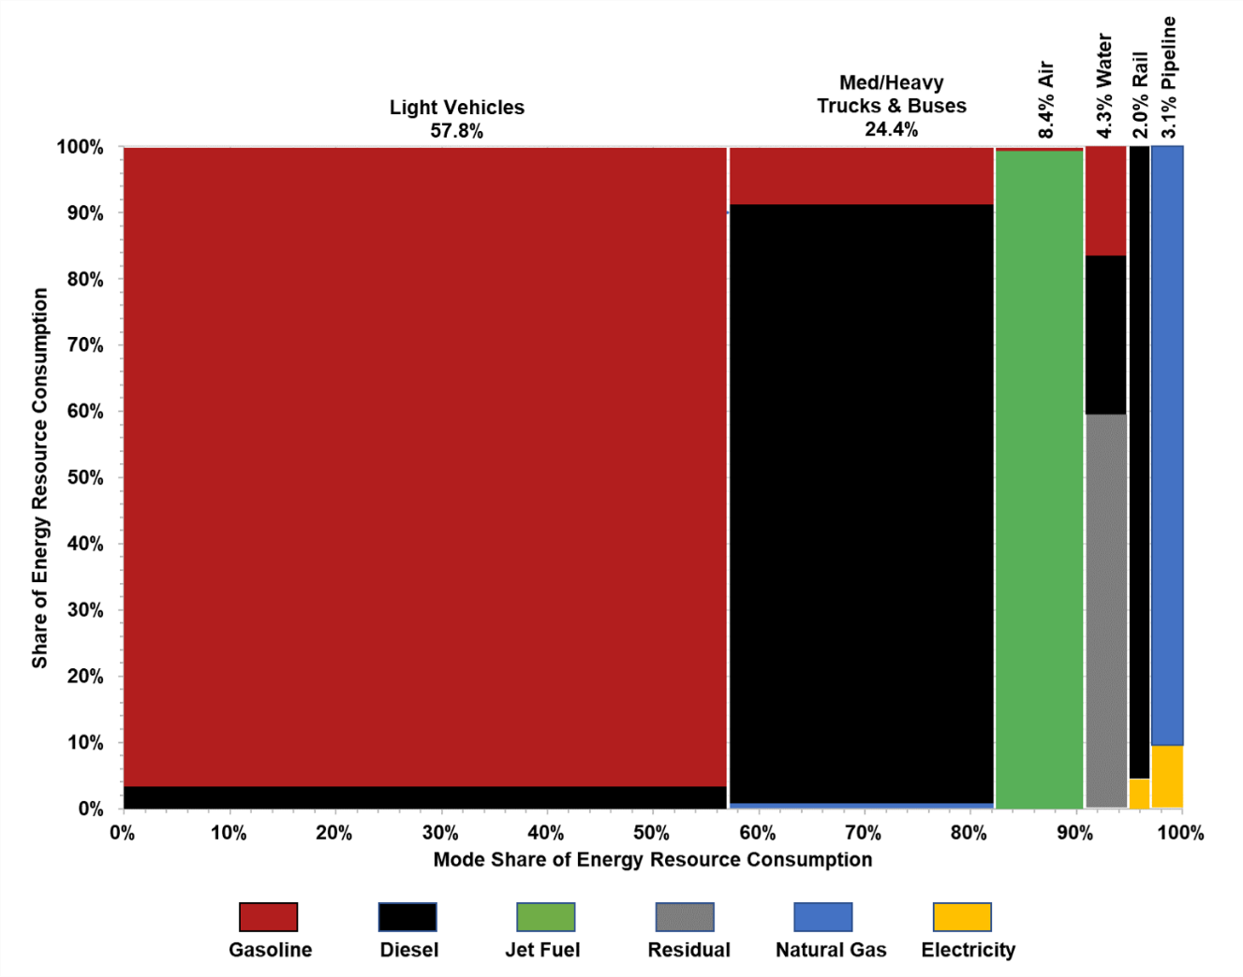

 |  | Med/Heavy
Fuel | Light Vehicles | Trucks & Buses | Air | Water | Rail | Pipeline
Type | Share of Energy Resource Consumption
Gasoline | 96.7% | 9.9% | 1.0% | 15.1%
Diesel | 2.9% | 89.4% |  | 25.7% | 95.6%
Jet Fuel |  |  | 99.0%
Residual |  |  |  | 59.2%
Natural Gas |  | 0.4% |  |  |  | 90.2%
Electricity | 0.0% | 0.0% |  |  | 4.4% | 9.8%
Sector Share | 57.8% | 24.5% | 8.4% | 4.3% | 2.0% | 3.1%

Note: Residual fuel oil is heavier oil which can be used in vessel bunkering.

Source:
See Table 2.7 or Appendix A, Section 2. Energy Use Sources.

a Civilian consumption only. Totals may not include all possible uses of fuels for transportation (e.g., snowmobiles). Only end-use energy was counted for electricity.

